EIF
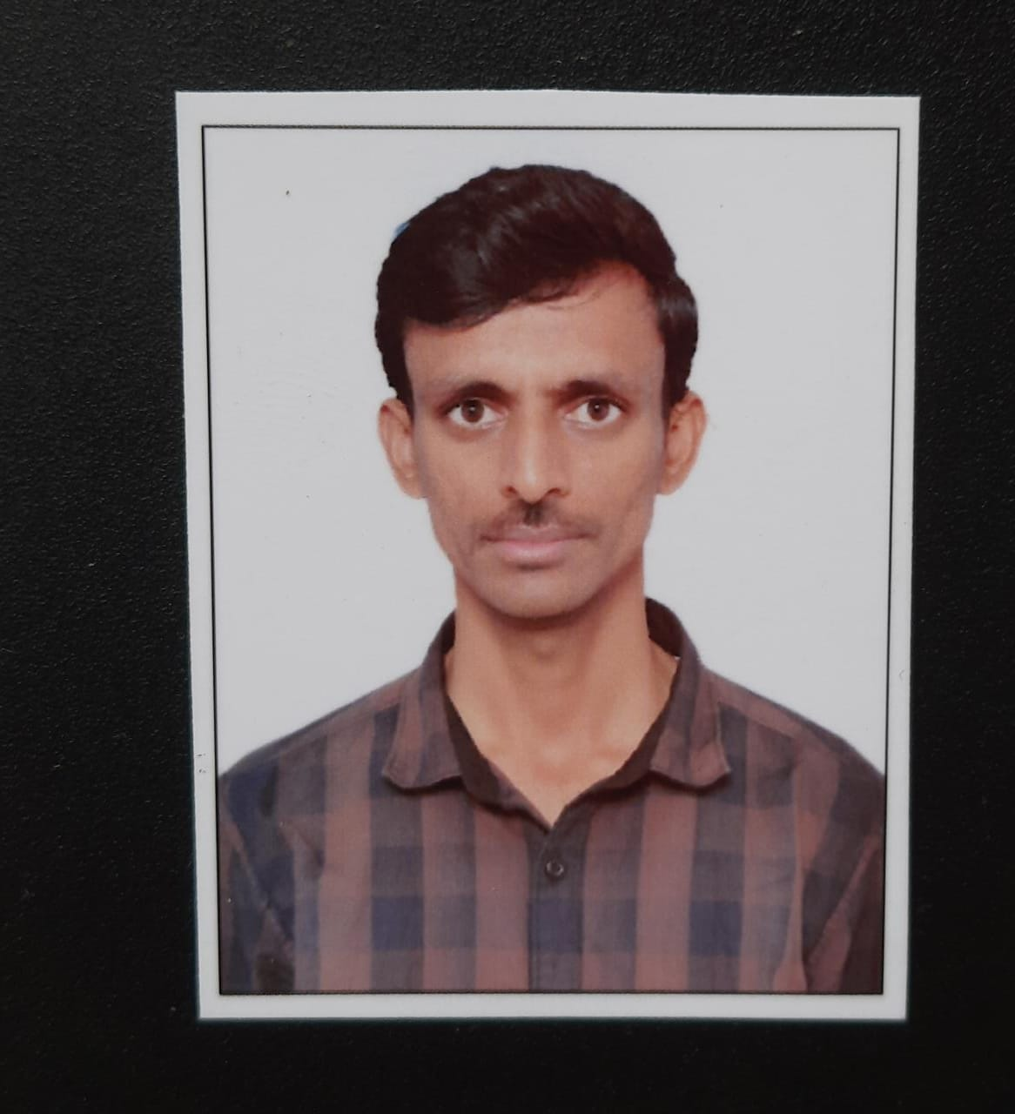
Caption
Supertal.io
Employee Information Form

Personal Profile
 |  |  |  | Please paste your photograph here
Full Name : | Srinivasa rao Nelluri
Designation : | SR QA AUTOMATION
Address : | S/O: VENKATESWARLU,1-23, NEAR RAGI CHETTU, KESANUPALLI, DACHEPALLI, GUNTUR, ANDHRA PRADHESH, PINCODE: 522414

Father's Name : | VENKATESWARLU
Mother's Name : | UMADEVI
PAN : | AWSPN9477E
Aadhar No. : | 808401777295 | Blood Group : | O+VE
Mobile : | 8686101046 | Personal Email : | NELLURE.SRINIVAS@GMAIL.COM
 |  | Official Email :
Joining Date : | 2022-10-23 | Date of Birth : | 1992-10-23
Bank Account Number : | 918010106971230 | Bank & Branch : | AXIS BANK
Account Name : | NELLURI SRINIVASA RAO | IFSC code : | UTIB0000030
Marital Status: | SINGEL | Marriage Date :
Spouse's Name : |  | Spouse’s Employer :
Spouse’s Work Phone :
Current Joining CTC | 18 LPA
Educational Detail

Basic
Education | Name of Board/ University | Marks Obtained | Passing Year | Stream | Grade
 |  | (In %)
10TH | SSC-AP | 77.3 | 2008 |  | A
INTER | BIE,AP | 76.4 | 2010 | MPC | A
B.TECH | JNTUK | 61.3 | 2014 | CSE | B

Professional
Education | Name of Board/ University | Marks Obtained | Passing Year | Stream | Grade
 |  | (In %)

Training Detail

In India
Training Type | Topic Name | Name of the Institute | Sponsored by | Date From | Date To

Abroad
Training Type | Topic Name | Name of the Institute | Sponsored by | Date From | Date To

Experience Detail

Name of Company | From -----to | Total experience in months | Designation
WAVELABS TECHNOLOGIS PRIVATE LIMITED | 06/12/2018 TO PRESENT | 42 | ENGINEER QA
FUSIONMINT TECHNOLOGY PVT LLLTD | 04/04/2016 TO 30/11/2018 | 32 | SOFTWARE ENGINEER

Emergency Contact Information
Full Name: | VENKATESWARLU NELLURI
Address: | S/O: VENKATESWARLU,1-23, NEAR RAGI CHETTU, KESANUPALLI, DACHEPALLI, GUNTUR, ANDHRA PRADHESH, PINCODE: 522414
Primary Phone: | 9989320678 | Alternate Phone: | 9908577896
Relationship: | father

Dependents Detail

S. No. | Name | Relation |  | Date of Birth
1 | VENKATESWARLU NELLURI | FATHER
2 | UMADEVI | MOTHER
3
4
5

Srinivasa rao Nelluri

